iHub Comp


 | Average HNT Per Unit |  |  | 0 | Personal Unit |  |  |  |  |  |  |  | Silver Team |  |  |  | Gold Team
 | HNT Price |  |  | $0.00 | 25% Personal
 | Numbe of Units You Have |  |  | 0 | $0 | $0 | 0 | $0 | $0 | 0 | $0 | $0 |  | 0 | $0 | $0 |  | 0 | $0 | $0
 | Number of Referred Affiliates |  |  |  |  |  |  |  |  | 0 | $0 | $0 |  | 0 | $0 | $0 |  | 0 | $0 | $0
 | Personally by You |  |  | 0 |  |  | 0 | $0 | $0 | 0 | $0 | $0 |  | 0 | $0 | $0 |  | 0 | $0 | $0
 | By Other Affilates |  |  | 0
 | Calculations based on 5 levels

Personal Commissions |  |  | $0 |  |  |  |  |  |  | Bronze Coded Bonuses |  |  |  | Silver Coded Bonuses |  |  |  | Gold Coded Bonuses
Referral Commissions |  |  | $0 |  |  |  |  |  |  | $0 |  |  |  | $0 |  |  |  | $0
Coded Bonuses |  |  | $0
 |  |  |  |  | This is not a guarantee of income. This is just an example of potential income based upon the perameters posted.
Total Dollars |  |  | $0
Total HNT |  |  | #DIV/0!

10% | $0 | 15% | $0
20% | $0 | 25% | $0

iWT Comp

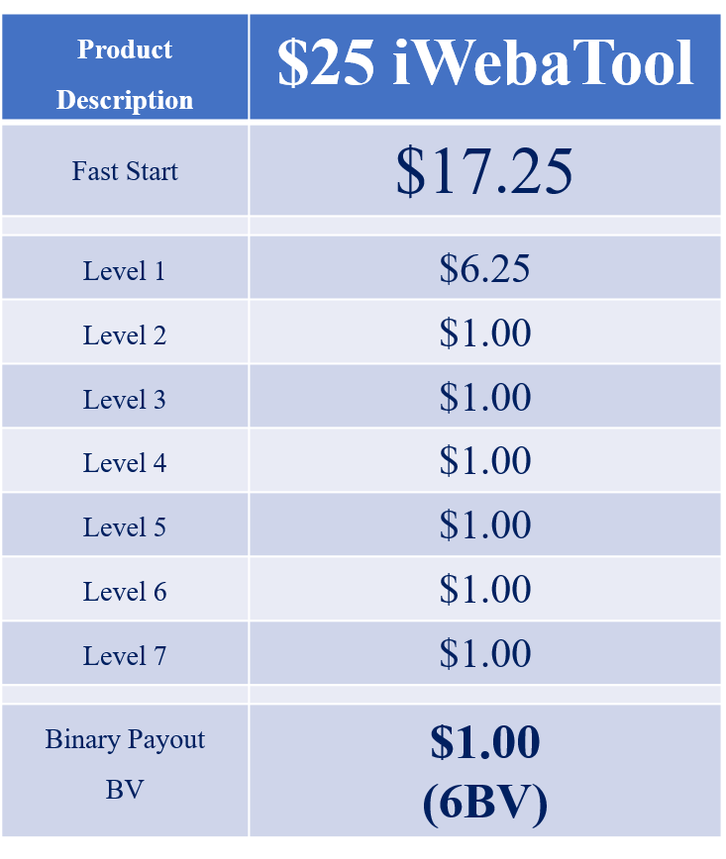
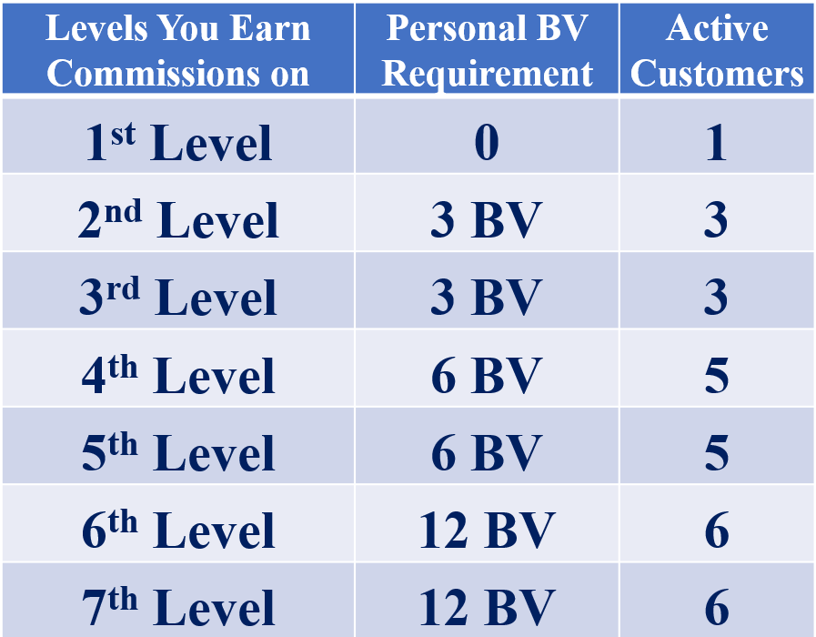
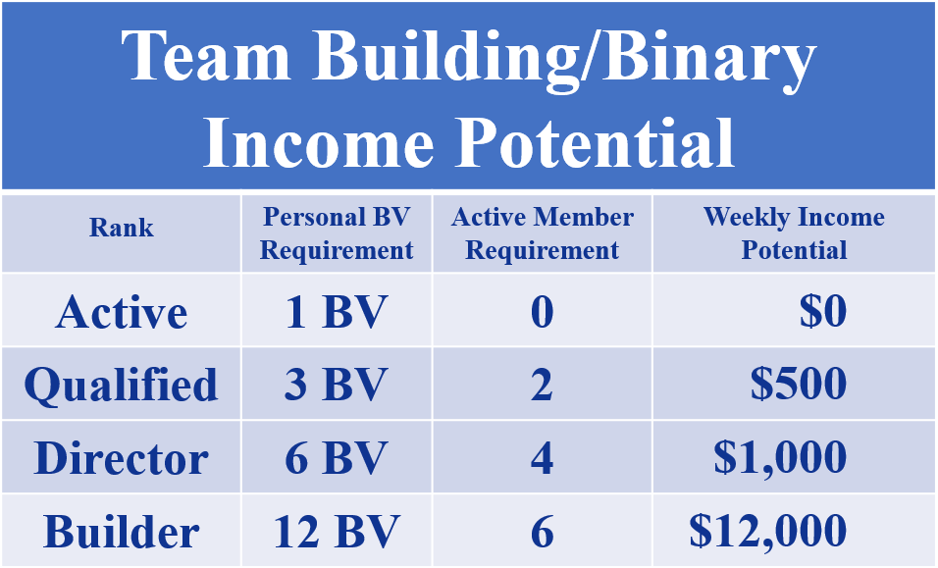
 |  |  | Unilvel Payout

 |  |  | $6.25
 |  |  | $1.00
 |  |  | $1.00
 |  |  | $1.00
 |  |  | $1.00
 |  |  | $1.00
 |  |  | $1.00
This is not a guarantee of income. This is just an example of income based on the referral reward system payout assuming all IBOs will be doing the same activity. Your success will be dependent upon what you do.

Retail Price | $25.00 | IBOs |  | Uni-Level | Binary | Monthly | Annual
 |  | New | Total | CASH | Commissions | Income | Income
 |  | 0 | 0 | $0 | $0 | $0 | $0
Personally Sponsored Members | 0 | 0 | 0 | $0 | $0 | $0 | $0
 |  | 0 | 0 | $0 | $0 | $0 | $0
 |  | 0 | 0 | $0 | $0 | $0 | $0
Binary Payout | $1.00 | 0 | 0 | $0 | $0 | $0 | $0
BV | 6 | 0 | 0 | $0 | $0 | $0 | $0
 |  | 0 | 0 | $0 | $0 | $0 | $0

